PV1
PV1- Willersely Avenue | speed limit | 30 | mph | Collision involve pedestrain between | Jan-19 | Jan-22
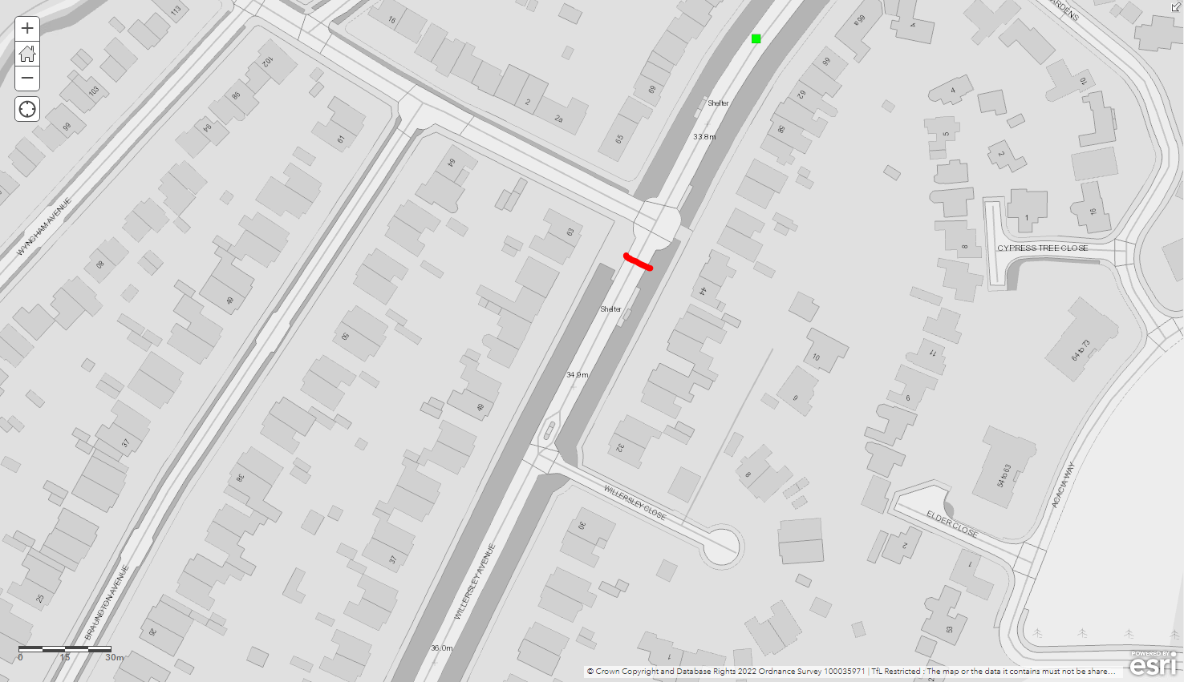
 |  |  |  |  | Collision
 |  |  |  |  | Collision Reference | 1,190,188,007
 |  |  |  |  | Collision Severity | Slight
 |  |  |  |  | Vehicle Types | Car, car
 |  |  |  |  | Date | 7-Jun-19
 |  |  |  |  | Year | 2019
 |  |  |  |  | Time | 14:30:00
 |  |  |  |  | Borough | Bexley
 |  |  |  |  | Highway | Bor
 |  |  |  |  | Road Surface | Road-wet
 |  |  |  |  | Road Type | Single cwy
 |  |  |  |  | Weather | Fine
 |  |  |  |  | Lighting | Daylight
 |  |  |  |  | Location | On willersley avenue, 80 metres west of the junction with annadale road.
No pedestrian accidents |  |  |  |  | Junction info | No jun in 20m
 |  |  |  |  | Pedestrian | Non-pedestrian accident
 |  |  |  |  | Drivers age | 45,46
 |  |  |  |  | Drivers sex | Female, not traced
 |  |  |  |  | Hit and run ? | Other, other
 |  |  |  |  | Position at junction | Not at jct, not at jct
 |  |  |  |  | Manoeuvres | Unknown (s/r), unknown (s/r)
 |  |  |  |  | Skidding | Unknown (s/r), unknown (s/r)
 |  |  |  |  | Journey purposes | Other/not known, unknown
 |  |  |  |  | Casualties age | 45
 |  |  |  |  | Casualties vehicle | Car
 |  |  |  |  | Casualties activity | Driver/rider
 |  |  |  |  | Casualties severity | Slight
 |  |  |  |  | Junction control
 |  |  |  |  | Ped. crossing | Unknown (s/r)
 |  |  |  |  | Date / Time | 7/6/2019 2:30 P.M.
 |  |  |  |  | Data last updated | 17-Mar-20
 |  |  |  |  | Easting | 545,782
 |  |  |  |  | Northing | 173,524
 |  |  |  |  | TOID

PV2
PV2- Brook Street | speed limit | 30 | mph | Collision involve pedestrain between | Jan-19 | Jan-22
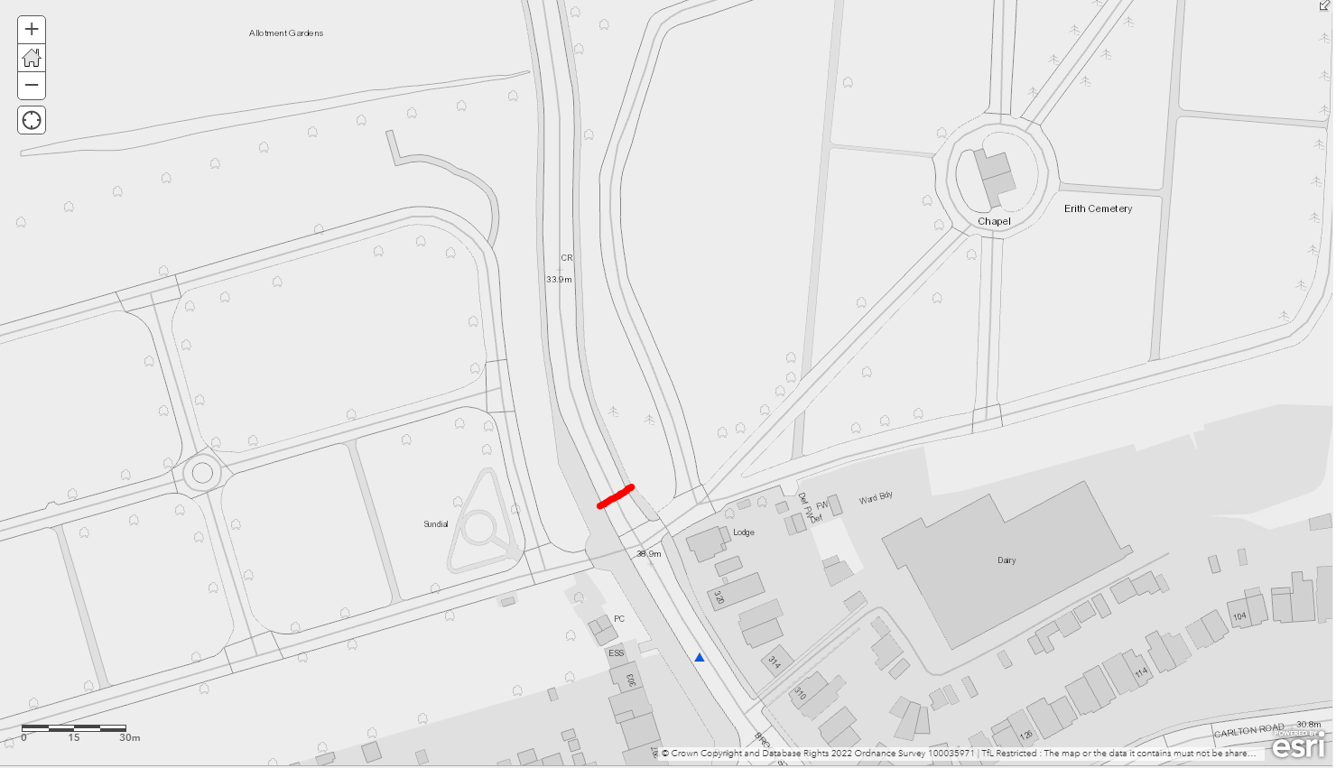

 |  |  |  |  |  |  | Collision
 |  |  |  |  |  |  | Collision Reference | 1,190,186,170
 |  |  |  |  |  |  | Collision Severity | Serious
 |  |  |  |  |  |  | Vehicle Types | Car, car, car
 |  |  |  |  |  |  | Date | 9-Jun-19
 |  |  |  |  |  |  | Year | 2019
 |  |  |  |  |  |  | Time | 10:41:00
 |  |  |  |  |  |  | Borough | Bexley
 |  |  |  |  |  |  | Highway | Bor
 |  |  |  |  |  |  | Road Surface | Road-dry
 |  |  |  |  |  |  | Road Type | Single cwy
 |  |  |  |  |  |  | Weather | Fine
 |  |  |  |  |  |  | Lighting | Daylight
No pedestrian accidents |  |  |  |  |  |  | Location | On brook street, 50 metres north of the junction with parsonage manorway.
 |  |  |  |  |  |  | Junction info | No jun in 20m
 |  |  |  |  |  |  | Pedestrian | Non-pedestrian accident
 |  |  |  |  |  |  | Drivers age | ,,28
 |  |  |  |  |  |  | Drivers sex | Not traced, not traced, female
 |  |  |  |  |  |  | Hit and run ? | Other, other, other
 |  |  |  |  |  |  | Position at junction | Not at jct, not at jct, not at jct
 |  |  |  |  |  |  | Manoeuvres | Parked, parked, going ahead other
 |  |  |  |  |  |  | Skidding | No skidding/overturn, no skidding/overturn, overturn
 |  |  |  |  |  |  | Journey purposes | Unknown, unknown, other/not known
 |  |  |  |  |  |  | Casualties age | 28
 |  |  |  |  |  |  | Casualties vehicle | Car
 |  |  |  |  |  |  | Casualties activity | Driver/rider
 |  |  |  |  |  |  | Casualties severity | Serious
 |  |  |  |  |  |  | Junction control
 |  |  |  |  |  |  | Ped. crossing | No xing facility in 50m
 |  |  |  |  |  |  | Date / Time | 9/6/2019 10:41 A.M.
 |  |  |  |  |  |  | Data last updated | 17-Mar-20
 |  |  |  |  |  |  | Easting | 549,706
 |  |  |  |  |  |  | Northing | 177,774
 |  |  |  |  |  |  | TOID

PV3
PV3- Yarton Way | speed limit | 30 | mph | Collision involve pedestrain between | Jan-19 | Jan-22
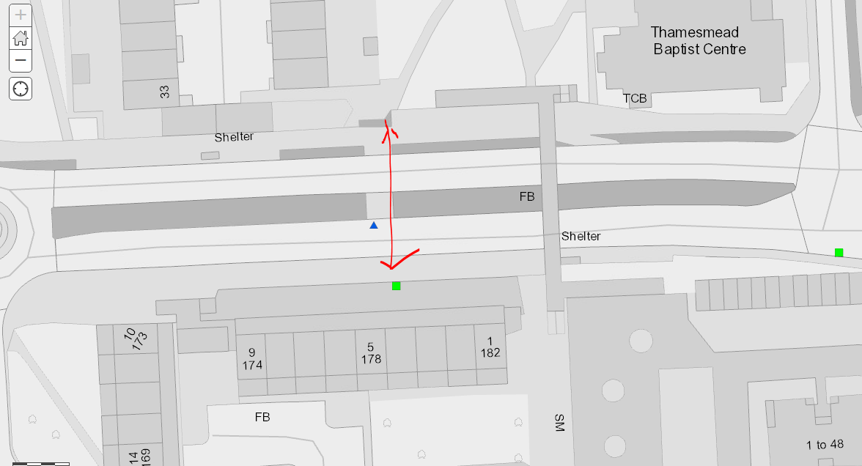

Collision 1 |  |  | Collision 2
Collision Reference | 1,210,312,318 |  | Collision Reference | 1,200,271,941
Collision Severity | Slight |  | Collision Severity | Serious
Vehicle Types | Car |  | Vehicle Types | Car
Date | 8-Jun-21 |  | Date | 5-Oct-20
Year | 2021 |  | Year | 2020
Time | 15:18:00 |  | Time | 9:24:00
Borough | Bexley |  | Borough | Bexley
Highway | Bor |  | Highway | Bor
Road Surface | Road-dry |  | Road Surface | Road-wet
Road Type | Dual cwy |  | Road Type | Dual cwy
Weather | Fine |  | Weather | Raining
Lighting | Daylight |  | Lighting | Daylight
Location | On yarnton way, 76 metres west of the junction with st katherines road. |  | Location | On yarnton way, 70 metres east of the junction with wolvercote road.
Junction info | No jun in 20m |  | Junction info | No jun in 20m
Pedestrian | Pedestrian accident |  | Pedestrian | Pedestrian accident
Drivers age | 32 |  | Drivers age | 28
Drivers sex | Male |  | Drivers sex | Female
Hit and run ? | Other |  | Hit and run ? | Other
Position at junction | Not at jct |  | Position at junction | Not at jct
Manoeuvres | Going ahead other |  | Manoeuvres | Going ahead other
Skidding | No skidding/overturn |  | Skidding | No skidding/overturn
Journey purposes |  |  | Journey purposes
Casualties age | 13, 13 |  | Casualties age | 12
Casualties vehicle | Pedestrian, pedestrian |  | Casualties vehicle | Pedestrian
Casualties activity | Pedestrian, pedestrian |  | Casualties activity | Pedestrian
Casualties severity | Slight, slight |  | Casualties severity | Serious
Junction control | Unknown |  | Junction control
Ped. crossing | Central refuge |  | Ped. crossing | No xing facility in 50m
Date / Time | 8/6/2021 3:18 P.M. |  | Date / Time | 5/10/2020 9:24 A.M.
Data last updated | 8-Feb-23 |  | Data last updated | 30-Nov-21
Easting | 547,914 |  | Easting | 547,910
Northing | 179,628 |  | Northing | 179,639
TOID |  |  | TOID

PV4
PV4- Main Road, Marchel Neil Parade | speed limit | 30 | mph | Collision involve pedestrain between |  | Jan-19 | Jan-22
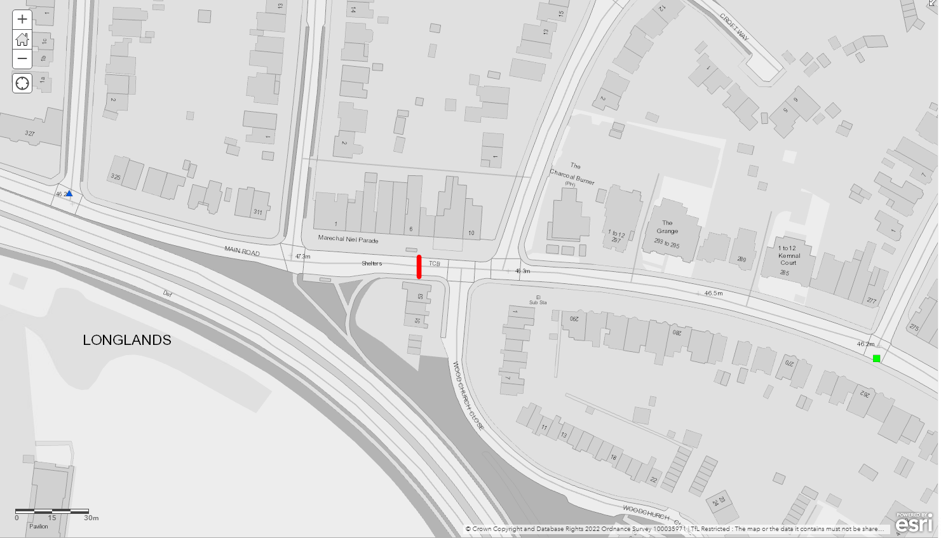

 |  |  |  | Collision Reference | 1,190,224,692
 |  |  |  | Collision Severity | Serious
 |  |  |  | Vehicle Types | Car,gds =< 3.5t
 |  |  |  | Date | 12-Dec-19
 |  |  |  | Year | 2019
 |  |  |  | Time | 2:27:00
 |  |  |  | Borough | Bexley
 |  |  |  | Highway | Bor
 |  |  |  | Road Surface | Road-wet
 |  |  |  | Road Type | Single cwy
 |  |  |  | Weather | Fine
 |  |  |  | Lighting | Dark
No Pedestrian accidents |  |  |  | Location | On main road, near the junction with st margarets avenue .
 |  |  |  | Junction info | T/stag jun
 |  |  |  | Pedestrian | Non-pedestrian accident
 |  |  |  | Drivers age | 20,52
 |  |  |  | Drivers sex | Male,male
 |  |  |  | Hit and run ? | Hit & run,other
 |  |  |  | Position at junction | Jct app,jct app
 |  |  |  | Manoeuvres | Overtake move veh o/s,turning left
 |  |  |  | Skidding | Skidded,no skidding/overturn
 |  |  |  | Journey purposes
 |  |  |  | Casualties age | 20
 |  |  |  | Casualties vehicle | Car
 |  |  |  | Casualties activity | Driver/rider
 |  |  |  | Casualties severity | Serious
 |  |  |  | Junction control | Auth person
 |  |  |  | Ped. crossing | No xing facility in 50m
 |  |  |  | Date / Time | 12/12/2019 2:27 A.M.
 |  |  |  | Data last updated | 13-Oct-20
 |  |  |  | Easting | 544,797
 |  |  |  | Northing | 172,254
 |  |  |  | TOID

 |  |  |  | Collision
 |  |  |  | Collision Reference | 1,210,294,068
 |  |  |  | Collision Severity | Slight
 |  |  |  | Vehicle Types | Pedal cycle,gds =< 3.5t
 |  |  |  | Date | 23-Feb-21
 |  |  |  | Year | 2021
 |  |  |  | Time | 13:00:00
 |  |  |  | Borough | Bexley
 |  |  |  | Highway | Bor
 |  |  |  | Road Surface | Road-dry
 |  |  |  | Road Type | Single cwy
 |  |  |  | Weather | Fine
 |  |  |  | Lighting | Daylight
 |  |  |  | Location | On main road, near the junction with longlands road.
 |  |  |  | Junction info | T/stag jun
 |  |  |  | Pedestrian | Non-pedestrian accident
 |  |  |  | Drivers age | 31,44
 |  |  |  | Drivers sex | Male,male
 |  |  |  | Hit and run ? | Other,hit & run
 |  |  |  | Position at junction | Jct mid,unknown (s/r)
 |  |  |  | Manoeuvres | Going ahead other,moving off
 |  |  |  | Skidding | Unknown (s/r),unknown (s/r)
 |  |  |  | Journey purposes
 |  |  |  | Casualties age | 31, 31
 |  |  |  | Casualties vehicle | Pedal cycle, pedal cycle
 |  |  |  | Casualties activity | Driver/rider, driver/rider
 |  |  |  | Casualties severity | Slight, slight
 |  |  |  | Junction control | Give way/uncontrolled
 |  |  |  | Ped. crossing | No xing facility in 50m
 |  |  |  | Date / Time | 23/2/2021 1:00 P.M.
 |  |  |  | Data last updated | 8-Feb-23
 |  |  |  | Easting | 545,133
 |  |  |  | Northing | 172,185
 |  |  |  | TOID

PV5
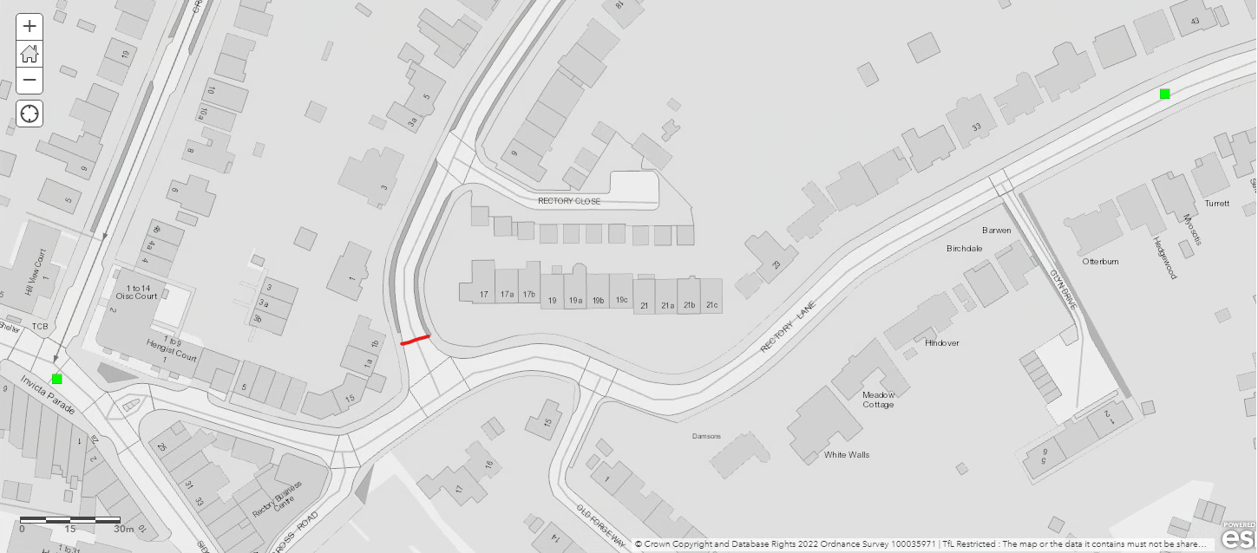
PV5- Selbourne Road

No Pedestrian accidents

PV6
PV6- Rectory Lane | speed limit | 30 | mph | Collision involve pedestrain between |  | Jan-19 | Jan-22
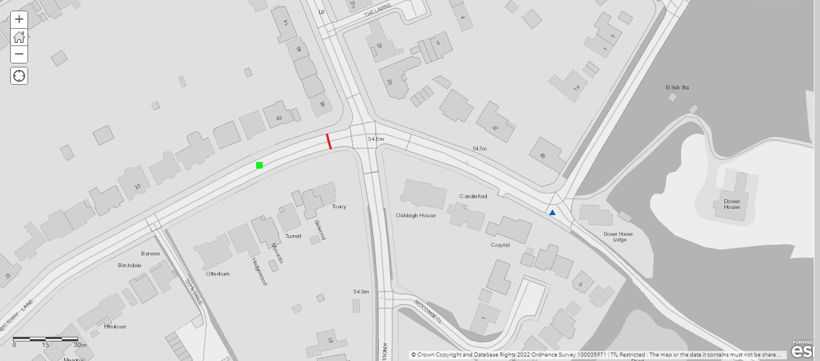

 |  |  |  | Collision Reference | 1,210,290,596
 |  |  |  | Collision Severity | Slight
 |  |  |  | Vehicle Types | M/c 50-125cc,gds =< 3.5t
 |  |  |  | Date | 28-Jan-21
 |  |  |  | Year | 2021
 |  |  |  | Time | 13:00:00
 |  |  |  | Borough | Bexley
 |  |  |  | Highway | Bor
 |  |  |  | Road Surface | Road-wet
 |  |  |  | Road Type | Single cwy
 |  |  |  | Weather | Other
 |  |  |  | Lighting | Daylight
No Pedestrian accidents |  |  |  | Location | On rectory lane, 36 metres east of the junction with glyn drive.
 |  |  |  | Junction info | No jun in 20m
 |  |  |  | Pedestrian | Non-pedestrian accident
 |  |  |  | Drivers age | 26,31
 |  |  |  | Drivers sex | Male,male
 |  |  |  | Hit and run ? | Other,other
 |  |  |  | Position at junction | Not at jct,not at jct
 |  |  |  | Manoeuvres | Unknown (s/r),unknown (s/r)
 |  |  |  | Skidding | Unknown (s/r),unknown (s/r)
 |  |  |  | Journey purposes
 |  |  |  | Casualties age | 26, 26
 |  |  |  | Casualties vehicle | Powered 2 wheeler, powered 2 wheeler
 |  |  |  | Casualties activity | Driver/rider, driver/rider
 |  |  |  | Casualties severity | Slight, slight
 |  |  |  | Junction control | Unknown
 |  |  |  | Ped. crossing | Unknown (s/r)
 |  |  |  | Date / Time | 28/1/2021 1:00 P.M.
 |  |  |  | Data last updated | 8-Feb-23
 |  |  |  | Easting | 546,913
 |  |  |  | Northing | 171,703
 |  |  |  | TOID

PV7
PV7- Knoll Road
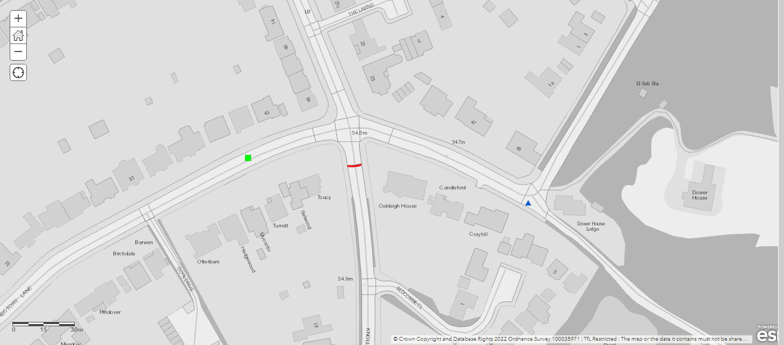

No Pedestrian Accidents

